Help
This application provides security ownership data in Tree view, Summary View and Detail View. The content matches the 'Current' tab of Security Ownership Function on the terminal (HDS<GO>) and provides the similar functionalities such as sorting, filtering by holders' types, including cost basis and allocate multi-managed holdings.

Related Function: HDS <GO>

Tree View

- Enter the Ticker to change securities and refresh the data
- Select view type from 'View' drop down list to change the view
- Click 'Show Top Level' / 'Show All' to unexpand and expand all lines
- Click 'Settings' to set up holder type filter, include cost basis and multi-managed holdings

- Click the 'plus' icon before each line to expand/unexpand the lines
- Change 'Sort By' to sort by a different column
- Change 'Order' to switch between Descending/Ascending order

Summary View & Detail View

Summary and Detail Views have the similar layout and controls as summary view.

Settings

Click 'Settings' button to launch the settings form.

Tick on the checkbox to include cost basis, allocate multi-managed holdings and exclude private portfolios.

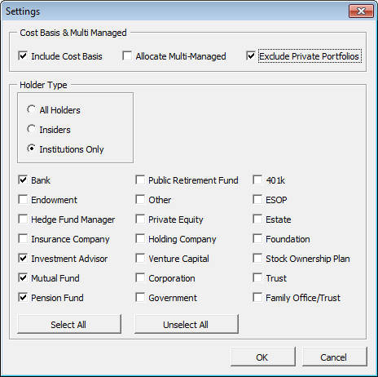

Choose holder type to filter and tick the check box to include those institutions if 'Institutions Only' is selected.

